ANOVA
Do the three node-finding algorithms for the Independent Cascade model have statistically significant differences in their activation sets? (all employed with the spontaneous user adoption)

10 random nodes, 2 self-activated nodes = 12 total seed nodes
 | Random selection plus self activation | Algorithm A plus self activation | Algorithm B plus self activation | Anova: Single Factor
 | 19 | 27 | 34
 | 13 | 32 | 28 | SUMMARY
 | 15 | 25 | 27 | Groups | Count | Sum | Average | Variance
 | 22 | 36 | 32 | Random selection plus self activation | 40 | 771 | 19.275 | 33.486538462
 | 15 | 34 | 39 | Algorithm A plus self activation | 40 | 1276 | 31.9 | 14.194871795
 | 16 | 30 | 33 | Algorithm B plus self activation | 40 | 1287 | 32.175 | 19.276282051
 | 27 | 33 | 31
 | 31 | 32 | 33
 | 14 | 34 | 33 | ANOVA
 | 15 | 35 | 34 | Source of Variation | SS | df | MS | F | P-value | F crit
 | 14 | 33 | 33 | Between Groups | 4345.0166667 | 2 | 2172.5083333 | 97.337957378 | 1.2800684954E-25 | 3.0737629044
 | 18 | 35 | 34 | Within Groups | 2611.35 | 117 | 22.319230769
 | 16 | 32 | 30
 | 23 | 30 | 33 | Total | 6956.3666667 | 119
 | 15 | 37 | 26
 | 15 | 29 | 33 | The p-value corresponding to the F-statistic of one-way ANOVA is lower than 0.05, suggesting that the one or more treatments are significantly different. The Tukey HSD test follows. These post-hoc tests would likely identify which of the pairs of treatments are significantly differerent from each other.
 | 19 | 38 | 33
 | 19 | 33 | 40
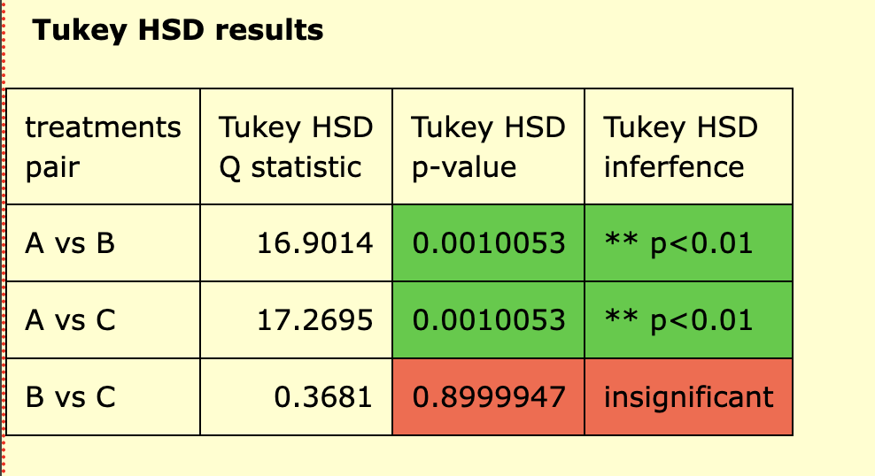
 | 17 | 29 | 35
 | 16 | 38 | 25
 | 15 | 34 | 29
 | 34 | 36 | 35
 | 12 | 32 | 23
 | 14 | 34 | 43
 | 14 | 37 | 31
 | 28 | 31 | 30
 | 30 | 29 | 35
 | 18 | 31 | 27
 | 27 | 32 | 27
 | 16 | 28 | 38
 | 20 | 26 | 24
 | 17 | 30 | 39
 | 16 | 28 | 34
 | 18 | 33 | 30
 | 19 | 25 | 32
 | 18 | 32 | 29
 | 24 | 26 | 37
 | 25 | 29 | 34
 | 15 | 41 | 33
 | 32 | 30 | 31

